DASHBOARD 1
"STUDENT PERFORMANCE ANALYSIS DASHBOARD"

OVERALL PASS%
TOTAL STUDENTS
NEED SUPPORT
AVERAGE SCORE
81.83%
109
600
67.82

 | Total
1 | 68.01
2 | 68.04
3 | 67.81
4 | 66.43
5 | 67.88
6 | 68.94

DASHBOARD 2
"ACADEMIC HEALTH OVERVIEW DASHBOARD "

 | Total
High Risk | 109
Monitor | 84
Stable | 407
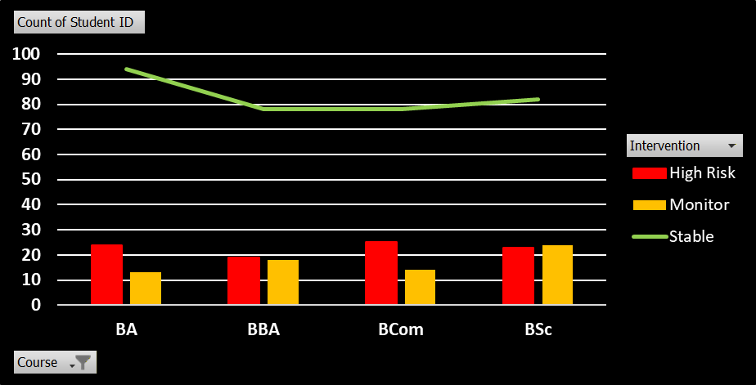

 | High Risk | Monitor | Stable
BA | 24 | 13 | 94
BBA | 19 | 18 | 78
BCA | 18 | 15 | 75
BCom | 25 | 14 | 78
BSc | 23 | 24 | 82

